Table 1
ENGINE SPROCKET 206
IMAGE | MODEL | SIZE | BARCODE | ITEM CODE | QTY /BOX | PRICE
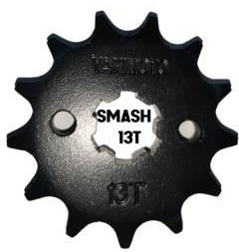 | SMASH | 12T | 230000009651 | 206ESB60 | 200/BOX | 30.91
 |  | 13T | 220000008820 | 206ESB11 | 200/BOX | 34.58
 |  | 14T | 220000008762 | 206ESB01 | 200/BOX | 36.00
 |  | 15T | 220000008898 | 206ESB25 | 200/BOX | 37.64
 |  | 16T | 220000008899 | 206ESB26 | 200/BOX | 40.00
 | TMX155 | 12T | 230000009621 | 206ESB55 | 200/BOX | 30.91
 |  | 13T | 220000008998 | 206ESB48 | 200/BOX | 34.00
 |  | 14T | 220000008763 | 206ESB02 | 200/BOX | 36.00
 |  | 15T | 220000008764 | 206ESB03 | 200/BOX | 37.67
 |  | 16T | 220000008812 | 206ESB06 | 200/BOX | 40.00
 | DREAM/ W100/ W110 | 12T | 23000009623 | 206ESB57 | 200/BOX | 30.91
 |  | 13T | 220000008813 | 206ESB07 | 200/BOX | 34.58
 |  | 14T | 220000008780 | 206ESB04 | 200/BOX | 36.00
 |  | 15T | 220000008904 | 206ESB16 | 200/BOX | 37.64
 |  | 16T | 220000008905 | 206ESB17 | 200/BOX | 40.00
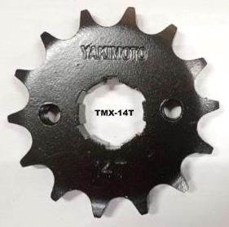 | TMX125 | 13T | 220000008995 | 206ESB45 | 200/BOX | 34.00
 |  | 14T | 220000008897 | 206ESB18 | 200/BOX | 36.00
 |  | 15T | 220000008781 | 206ESB05 | 200/BOX | 37.67
 |  | 16T | 220000008994 | 206ESB46 | 200/BOX | 40.00
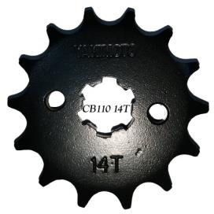 | CB110 | 12T | 23000009620 | 206ESB54 | 200/BOX | 30.91
 |  | 13T | 220000008814 | 206ESB08 | 200/BOX | 34.58
 |  | 14T | 220000008815 | 206ESB09 | 200/BOX | 36.04
 |  | 15T | 220000008907 | 206ESB19 | 200/BOX | 37.64
 |  | 16T | 220000008906 | 206ESB20 | 200/BOX | 40.00
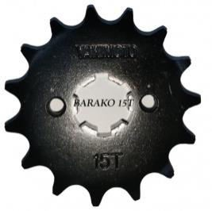 | BARAKO | 12T | 230000009618 | 206ESB51 | 200/BOX | 30.91
 |  | 14T | 230000006917 | 206ESB52 | 200/BOX | 36.00
 |  | 15T | 220000008816 | 206ESB10 | 200/BOX | 37.67
 |  | 16T | 220000008996 | 206ESB47 | 200/BOX | 40.00
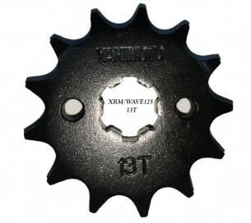 | XRM/ W125 | 12T | 230000009622 | 206ESB56 | 200/BOX | 30.91
 |  | 13T | 220000008817 | 206ESB12 | 200/BOX | 34.58
 |  | 14T | 220000008780 | 206ESB13 | 200/BOX | 36.00
 |  | 15T | 220000008902 | 206ESB21 | 200/BOX | 37.64
 |  | 16T | 220000008903 | 206ESB22 | 200/BOX | 40.00
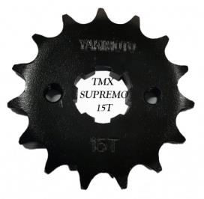 | TMX SUPREMO | 12T | 230000009616 | 206ESB50 | 200/BOX | 39.91
 |  | 13T | 220000008992 | 206ESB43 | 200/BOX | 34.00
 |  | 14T | 220000008900 | 206ESB23 | 200/BOX | 36.00
 |  | 15T | 220000008818 | 206ESB14 | 200/BOX | 37.67
 |  | 16T | 220000008901 | 206ESB24 | 200/BOX | 40.00
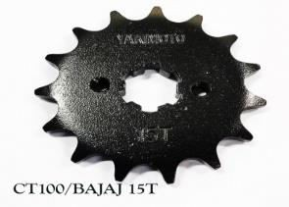 | BAJAJ/ CT100 | 12T | 230000009624 | 206ESB58 | 200/BOX | 30.91
 |  | 13T | 220000008895 | 206ESB27 | 200/BOX | 34.55
 |  | 14T | 220000008993 | 206ESB44 | 200/BOX | 36.00
 |  | 15T | 220000008836 | 206ESB15 | 200/BOX | 38.00
 |  | 16T | 220000008896 | 206ESB28 | 200/BOX | 40.00

Table 2
 | RS100 | 14T | 220000008978 | 206ESB29 | 200/BOX | 36.00
 |  | 15T | 220000008979 | 206ESB30 | 200/BOX | 38.00
 | ROUSER135 | 12T | 230000009625 | 206ESB59 | 200/BOX | 30.91
 |  | 14T | 220000008982 | 206ESB31 | 200/BOX | 36.00
 |  | 15T | 220000008980 | 206ESB32 | 200/BOX | 38.00
 |  | 16T | 220000008981 | 206ESB33 | 200/BOX | 40.00
 | R150 REBORN | 13T | 220000008986 | 206ESB34 | 200/BOX | 34.00
 |  | 14T | 220000008984 | 206ESB35 | 200/BOX | 36.00
 |  | 15T | 220000008985 | 206ESB36 | 200/BOX | 38.00
 |  | 16T | 220000008983 | 206ESB37 | 200/BOX | 40.00
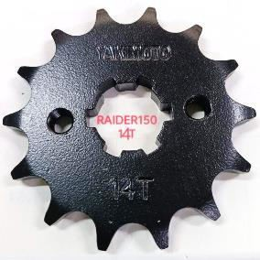 | R150 | 14T | 220000008987 | 206ESB38 | 200/BOX | 36.00
 |  | 15T | 220000008989 | 206ESB39 | 200/BOX | 38.00
 |  | 16T | 220000008988 | 206ESB40 | 200/BOX | 40.00
 | SNIPER150/ LC150 | 14T | 230000009619 | 206ESB53 | 200/BOX | 36.00
 |  | 15T | 220000008990 | 206ESB41 | 200/BOX | 38.00
 |  | 16T | 220000008991 | 206ESB42 | 200/BOX | 40.00
 | FURY 125 | 12T | 230000009626 | 206ESB61 | 200/BOX | 30.91
 |  | 15T | 220000008997 | 206ESB49 | 200/BOX | 38.00

Table 3
SPROCKET REAR 207
IMAGE | MODEL | SIZE | BARCODE | ITEM CODE | QTY /BOX | PRICE
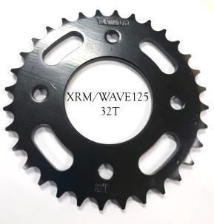 | XRM/W125 | 32T | 220000008807 | 207SB10 | 40/BOX | 131.04
 |  | 34T | 220000008806 | 207SB11 | 40/BOX | 134.55
 |  | 36T | 220000008754 | 207SB01 | 40/BOX | 145.60
 |  | 38T | 220000008756 | 207SB02 | 40/BOX | 154.00
 |  | 40T | 220000009080 | 207SB45 | 40/BOX | 161.82
 | RAIDER150/ SMASH | 32T | 220000009067 | 207SB31 | 40/BOX | 131.04
 |  | 34T | 220000008887 | 207SB23 | 40/BOX | 134.55
 |  | 36T | 220000008755 | 207SB03 | 40/BOX | 145.60
 |  | 38T | 220000008886 | 207SB24 | 40/BOX | 154.00
 |  | 40T | 220000009066 | 207SB32 | 40/BOX | 161.82
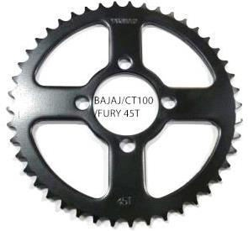 | CT100/FURY | 32T | 220000009070 | 207SB33 | 40/BOX | 131.04
 |  | 34T | 220000008885 | 207SB22 | 40/BOX | 134.55
 |  | 36T | 220000008809 | 207SB13 | 40/BOX | 145.60
 |  | 38T | 220000008757 | 207SB04 | 40/BOX | 154.00
 |  | 40T | 220000009068 | 207SB34 | 40/BOX | 161.82
 |  | 42T | 220000008760 | 207SB05 | 40/BOX | 178.20
 |  | 44T | 220000009069 | 207SB35 | 20/BOX | 189.09
 |  | 45T | 220000008805 | 207SB09 | 40/BOX | 190.91
 |  | 48T | 230000009644 | 207SB53 | 20/BOX | 196.00
 | HD3 | 42T | 220000008758 | 207SB06 | 40/BOX | 178.20
 |  | 45T | 220000008833 | 207SB15 | 20/BOX | 190.91
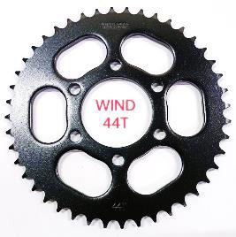 | WIND125 | 40T | 230000009650 | 207SB59 | 40/BOX | 161.82
 |  | 42T | 220000008759 | 207SB07 | 40/BOX | 178.20
 |  | 44T | 220000009079 | 207SB44 | 20/BOX | 189.09
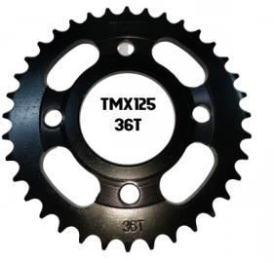 | TMX125/ SUPREMO | 36T | 220000008808 | 207SB12 | 40/BOX | 145.60
 |  | 40T | 220000009073 | 207SB38 | 40/BOX | 161.82
 |  | 42T | 220000008890 | 207SB26 | 40/BOX | 178.20
 |  | 44T | 220000008959 | 207SB27 | 40/BOX | 189.09
 |  | 45T | 220000008761 | 207SB08 | 20/BOX | 190.91
 |  | 48T | 220000009074 | 207SB39 | 20/BOX | 196.00
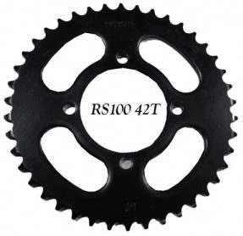 | RS100 | 42T | 220000008810 | 207SB014 | 40/BOX | 178.20
 |  | 44T | 230000009645 | 207SB54 | 20/BOX | 189.09

Table 4
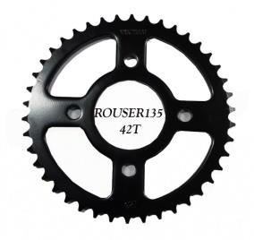 | ROUSER135 | 42T | 220000008811 | 207SB16 | 40/BOX | 178.20
 |  | 44T | 220000009011 | 207SB30 | 40/BOX | 189.09
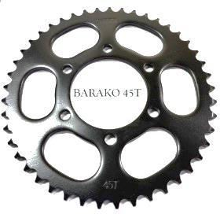 | BARAKO | 38T | 230000009640 | 207SB49 | 40/BOX | 154.00
 |  | 40T | 230000009641 | 207SB50 | 40/BOX | 161.82
 |  | 42T | 220000009072 | 207SB36 | 40/BOX | 178.20
 |  | 44T | 220000009071 | 207SB37 | 20/BOX | 189.09
 |  | 45T | 220000008834 | 207SB17 | 20/BOX | 190.91
 |  | 48T | 230000009642 | 207SB51 | 20/BOX | 196.00
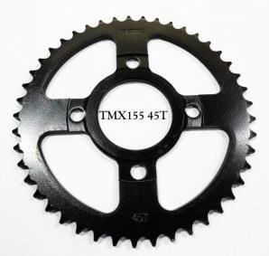 | TMX155 | 38T | 220000008888 | 207SB25 | 40/BOX | 154.00
 |  | 40T | 220000009076 | 207SB41 | 40/BOX | 161.82
 |  | 42T | 220000008889 | 207SB28 | 40/BOX | 178.20
 |  | 44T | 220000008968 | 207SB29 | 40/BOX | 189.09
 |  | 45T | 220000008835 | 207SB18 | 20/BOX | 190.91
 |  | 48T | 220000009077 | 207SB42 | 20/BOX | 196.00
 |  | 50T | 220000009078 | 207SB43 | 20/BOX | 208.86
 |  | 51T | 230000009643 | 207SB52 | 20/BOX | 212.00
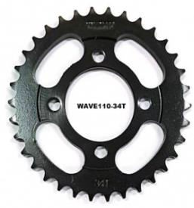 | W100/ W110/ DREAM | 32T | 220000009075 | 207SB40 | 40/BOX | 131.04
 |  | 34T | 220000008884 | 207SB21 | 40/BOX | 134.55
 |  | 36T | 220000008882 | 207SB19 | 40/BOX | 145.60
 |  | 38T | 220000008881 | 207SB20 | 40/BOX | 154.00
 | R150 REBORN | 38T | 230000009639 | 207SB46 | 40/BOX | 154.00
 |  | 40T | 230000009638 | 207SB47 | 40/BOX | 161.82
 |  | 42T | 230000009637 | 207SB48 | 40/BOX | 178.20
 | SNIPER150/ LC150 | 40T | 230000009646 | 207SB55 | 40/BOX | 161.82
 | CB110 | 40T | 230000009649 | 207SB56 | 20/BOX | 180.00
 |  | 44T | 230000009648 | 207SB57 | 20/BOX | 196.37
 |  | 45T | 230000009647 | 207SB58 | 20/BOX | 203.64

Table 5
FASTENER CLIP (PLASTIC RIVET) 208

# 208PRFC1 FASTENER CLIP (PLASTIC RIVET)20/PACK 16MM*26MM PLASTIC 14*9 85.20 220000009021 |  | # 208PRFC2 FASTENER CLIP (PLASTIC RIVET)20/PACK 13MM*21MM PLASTIC 14*9 71.78 220000009022 |  | # 208PRFC3 FASTENER CLIP (PLASTIC RIVET)20/PACK 18MM*24MM PLASTIC 14*9 89.68 220000009023
CYLINDER HEAD GASKET 209
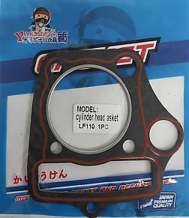 |  | 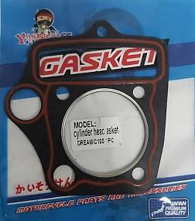 |  | 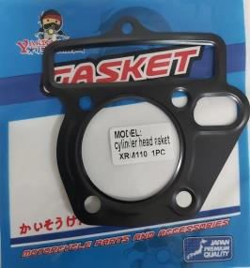 |  |  | 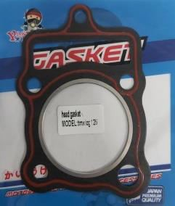
#209CHG1 CYLINDER HEAD GASKET LF110 18.19 220000009155 |  | #209CHG2 CYLINDER HEAD GASKET DREAM/C100 18.19 2200000099156 |  | #209CHG3 CYLINDER HEAD GASKET XRM ORDINARY 18.19 2200000099157 |  |  | #209CHG4 CYLINDER HEAD GASKET TMX/CG125 18.19 2200000099158
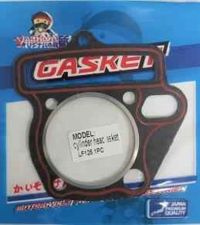 | 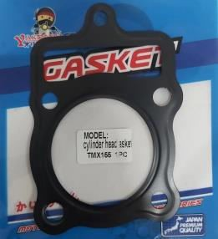 |  | 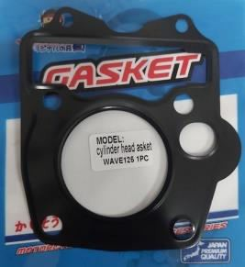
#209CHG5 CYLINDER HEAD GASKET LF125 18.19 220000009159 | #209CHG6 CYLINDER HEAD GASKET TMX155 18.19 220000009160 |  | #209CHG7 CYLINDER HEAD GASKET W125 18.19 220000009161
CYLINDER BASE GASKET 210
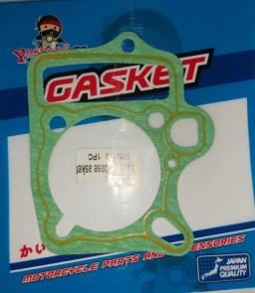 | 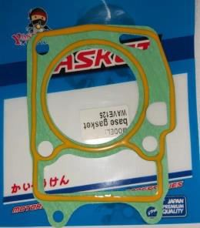 |  |  |  | 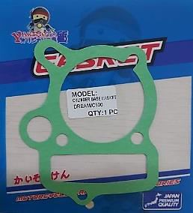 |  |  | 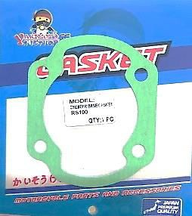
#210CBG1 CYLINDER BASE GASKET XRM 10.91 220000009162 | #210CHG2 CYLINDER BASE GASKET W125 10.91 220000009163 |  | #210CHG3 CYLINDER BASE GASKET C100/DREAM 10.91 230000009500 |  |  | #210CHG4 CYLINDER BASE GASKET RS100 10.91 230000009501

Table 6
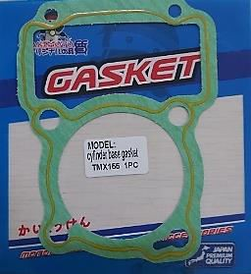
#210CBG5 CYLINDER BASE GASKET TMX155 10.91 230000009502
 |  | 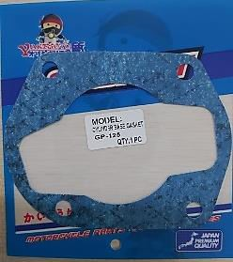
#210CHG6 CYLINDER BASE GASKET GP125 10.91 230000009503
 | 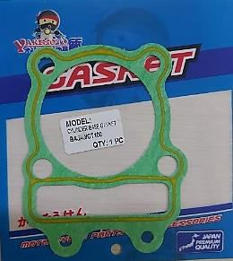
#210CHG7 CYLINDER BASE GASKET CT100/BAJAJ 10.91 230000009504
 | 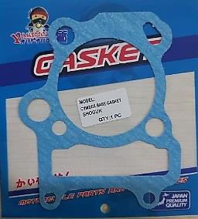
#210CHG8 CYLINDER BASE GASKET SHOGUN 10.91 230000009505

#210CHG11 CYLINDER BASE GASKET LF125 10.91 230000009508

#210CHG12 CYLINDER BASE GASKET LF110 10.91 230000009509

#210CBG9 CYLINDER BASE GASKET SMASH 10.91 230000009506
 |  | 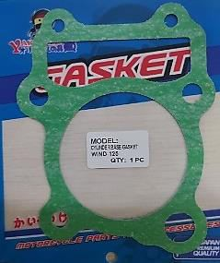
#210CHG10 CYLINDER BASE GASKET WIND 10.91 230000009507
 | 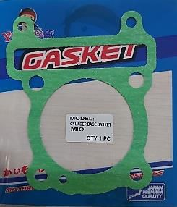
#210CHG15 CYLINDER BASE GASKET MIO 10.91 230000009512

#210CBG13 CYLINDER BASE GASKET LF150 10.91 230000009510

#210CHG14 CYLINDER BASE GASKET GD110 10.91 230000009511

#210CHG16 CYLINDER BASE GASKET CB110 10.91 230000009513

 |  | 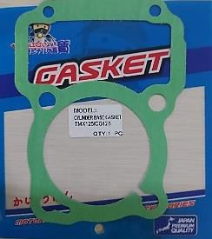
#210CHG7 CYLINDER BASE GASKET TMX/CG125 10.91 230000009514

#210CHG18 CYLINDER BASE GASKET BARAK/BC175 10.91 230000009515

Table 7
BRAKE MASTER CALIPER ASSY FRONT |  |  |  |  | 211
#211BMCAF1 BRAKE MASTER CALIPER ASSY FRONT W125 690.91 220000009108 BRAKE MASTER CALIPER ASSY REAR |  |  |  |  | 212
#212BMCAR1 BRAKE MASTER CALIPER ASSY REAR XRM 690.91 220000009109 CALIPER PUMP |  |  | 213
#213CP1 CALIPER PUMP | #213CP2 CALIPER PUMP | #213CP3 CALIPER PUMP |  | #213CP4 CALIPER PUMP
R150 FRONT 418.20 | R150 REAR 418.20 | XRM110 FRONT 418.20 |  | XRM110 REAR 418.20
220000009110 | 220000009111 | 20000009112 |  | 220000009113
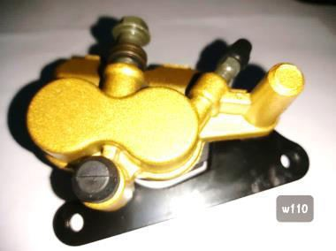
#213CP5 CALIPER PUMP W110 418.20 220000009114
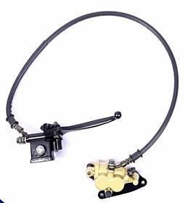 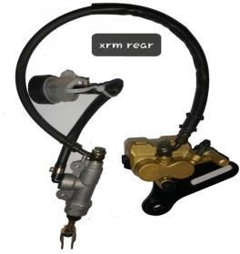 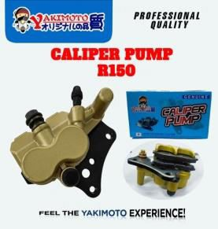 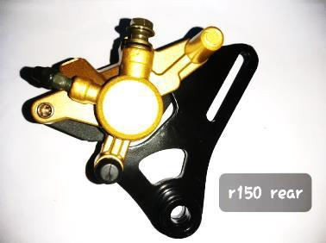 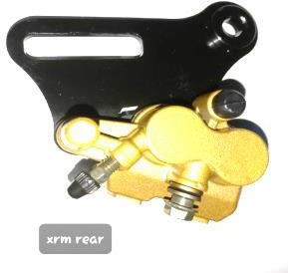

#213CP6 CALIPER PUMP W125 418.20 220000009115

Table 13
STOCK HORN |  |  | 219
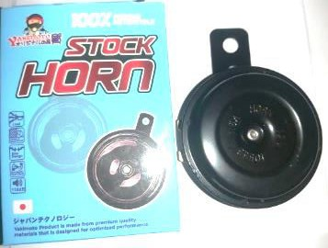
#219SH1 STOCK HORN UNIVERSAL 54.55 230000009310
SPOKES AND NIPPLES |  |  | 220
 | 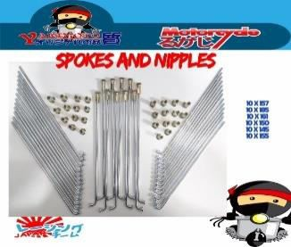
#220SAN1 | #220SAN2 | #220SAN3 | #220SAN4
SPOKES AND NIPPLES | SPOKES AND NIPPLES | SPOKES AND NIPPLES | SPOKES AND NIPPLES
10X157 97.86 | 10X185 108.25 | 10X161 101.63 | 10X150 96.91
230000009311 | 230000009312 | 230000009313 | 230000009314

#220SAN5 SPOKES AND NIPPLES 10X145 94.07 230000009315

#220SAN6 SPOKES AND NIPPLES 10X155 97.86 230000009316

#220SAN7 SPOKES AND NIPPLES 8X185 147.96 230000009317

#220SAN8 SPOKES AND NIPPLES 8X155 133.79 230000009318
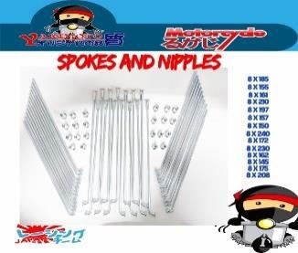
#220SAN9 SPOKES AND NIPPLES 8X161 137.56 230000009319

#220SAN10 SPOKES AND NIPPLES 8X210 160.25 230000009320

#220SAN11 SPOKES AND NIPPLES 8X197 156.47 230000009321

#220SAN12 SPOKES AND NIPPLES 8X157 133.78 230000009322

#220SAN13 SPOKES AND NIPPLES 8X150 130 230000009323

#220SAN14 SPOKES AND NIPPLES 8X240 145.38 230000009324

#220SAN15 SPOKES AND NIPPLES 8X172 142.29 230000009325

#220SAN16 SPOKES AND NIPPLES 8X230 175.38 230000009326

